Heat Map Diagram
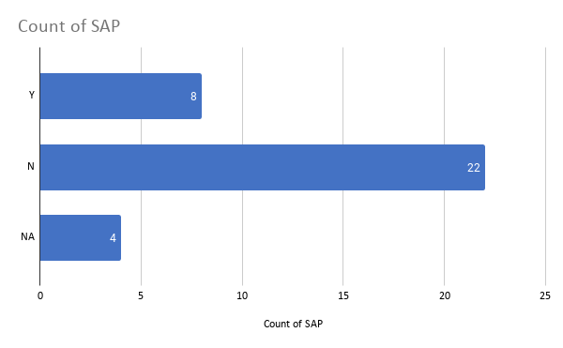
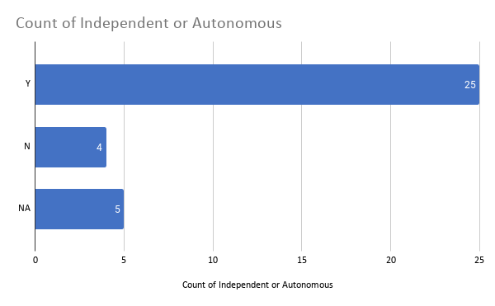
Cabinet Member | Secondary | Country | Postcode | Level | Independent | Autonomous | SAP | Independent or Autonomous | Independent or SAP | Note
Lee Hsien Loong | Catholic High School | Singapore | 579767 | Secondary | N | Y | Y | Y | Y
Heng Swee Keat | Raffles Institution | Singapore | 575954 | Secondary | Y | N | N | Y | Y
Ng Eng Hen | Anglo-Chinese School | Singapore | 139650 | Secondary | Y | N | N | Y | Y
Teo Chee Hean | Saint Joseph's Institution | Singapore | 308274 | Secondary | Y | N | N | Y | Y
Tharman Shanmugaratnam | Anglo-Chinese School | Singapore | 139650 | Secondary | Y | N | N | Y | Y
Vivian Balakrishnan | Anglo-Chinese School | Singapore | 139650 | Secondary | Y | N | N | Y | Y
K Shanmugam | Raffles Institution | Singapore | 575954 | Secondary | Y | N | N | Y | Y
Gan Kim Yong | Catholic High School | Singapore | 579767 | Secondary | N | Y | Y | Y | Y
S Iswaran | Saint Andrew's School | Singapore | 359342 | Secondary | N | N | N | N | N
Masagos Zulkifli | Bukit Panjang Government High School | Singapore | 689809 | Secondary | N | Y | N | Y | N
Grace Fu | Nanyang Girls' High School | Singapore | 288683 | Secondary | Y | N | Y | Y | Y
Chan Chun Sing | Raffles Institution | Singapore | 575954 | Secondary | Y | N | N | Y | Y
Lawrence Wong | Tanjong Katong Secondary School | Singapore | 438796 | Secondary | N | Y | N | Y | N
Ong Ye Kung | Maris Stella High School | Singapore | 368051 | Secondary | N | Y | Y | Y | Y
Desmond Lee | Raffles Institution | Singapore | 575954 | Secondary | Y | N | N | Y | Y
Josephine Teo | Dunman High School | Singapore | 436895 | Secondary | N | Y | Y | Y | Y
Indranee Rajah | Marymount Convent Secondary School | Singapore | 297754 | Secondary | NA | NA | NA | NA | NA | Currently only a primary school
Mohamad Maliki Osman | Dunearn Secondary Technical School | Singapore | 679938 | Secondary | N | N | N | N | N
Edwin Tong | Saint Joseph's Institution | Singapore | 308274 | Secondary | Y | N | N | Y | Y
Tan See Leng | Monk's Hill Secondary School | Singapore | 318990 | Secondary | N | N | N | N | N | Currently merged into Beatty Secondary School
Koh Poh Koon | Maris Stella High School | Singapore | 368051 | Secondary | N | Y | Y | Y | Y
Chee Hong Tat | Raffles Institution | Singapore | 575954 | Secondary | Y | N | N | Y | Y
Heng Chee How | Raffles Institution | Singapore | 575954 | Secondary | Y | N | N | Y | Y
Amy Khor | Raffles Girls' School | Singapore | 318871 | Secondary | Y | N | N | Y | Y
Janil Puthucheary | Studied abroad (UK) | United Kingdom |  | Secondary | NA | NA | NA | NA | NA | Studied abroad
Sim Ann | Raffles Girls' School | Singapore | 318871 | Secondary | Y | N | N | Y | Y
Zaqy Mohamad | Raffles Institution | Singapore | 575954 | Secondary | Y | N | N | Y | Y
Low Yen Ling | Dunman High School | Singapore | 436895 | Secondary | N | Y | Y | Y | Y
Muhammad Faisal Ibrahim | Bedok View Secondary School | Singapore | 469293 | Secondary | N | N | N | N | N
Sun Xueling | CHIJ St Nicholas Girls' School | Singapore | 569405 | Secondary | N | Y | Y | Y | Y
Gan Siow Huang | Raffles Girls' School | Singapore | 318871 | Secondary | Y | N | N | Y | Y
Alvin Tan | UNKNOWN | Singapore |  | Secondary | NA | NA | NA | NA | NA
Desmond Tan | Queenstown Secondary Technical School | Singapore | 148800 | Secondary | N | N | N | NA | N
Tan Kiat How | UNKNOWN | Singapore |  | Secondary | NA | NA | NA | NA | NA
Lee Hsien Loong | National Junior College | Singapore | 288913 | Tertiary
Heng Swee Keat | Raffles Institution | Singapore | 575954 | Tertiary
Ng Eng Hen | National Junior College | Singapore | 288913 | Tertiary
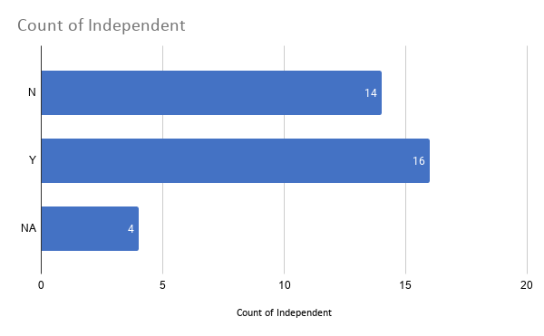
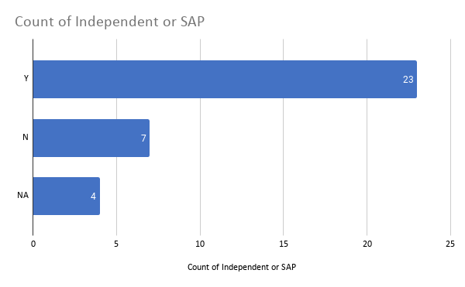
Teo Chee Hean | Saint Joseph's Institution | Singapore | 308274 | Tertiary
Tharman Shanmugaratnam | Anglo-Chinese School | Singapore | 139650 | Tertiary
Vivian Balakrishnan | National Junior College | Singapore | 288913 | Tertiary
K Shanmugam | Raffles Institution | Singapore | 575954 | Tertiary
Gan Kim Yong | National Junior College | Singapore | 288913 | Tertiary
S Iswaran | National Junior College | Singapore | 288913 | Tertiary
Masagos Zulkifli | National Junior College | Singapore | 288913 | Tertiary
Grace Fu | Hwa Chong Institution | Singapore | 269734 | Tertiary
Chan Chun Sing | Raffles Institution | Singapore | 575954 | Tertiary
Lawrence Wong | Victoria Junior College | Singapore | 449035 | Tertiary
Ong Ye Kung | Raffles Institution | Singapore | 575954 | Tertiary
Desmond Lee | Raffles Institution | Singapore | 575954 | Tertiary
Josephine Teo | Raffles Institution | Singapore | 575954 | Tertiary
Indranee Rajah | Raffles Institution | Singapore | 575954 | Tertiary
Mohamad Maliki Osman | First Toa Payoh Secondary School | Singapore | 298133 | Tertiary
Edwin Tong | Raffles Institution | Singapore | 575954 | Tertiary
Tan See Leng | National Junior College | Singapore | 288913 | Tertiary
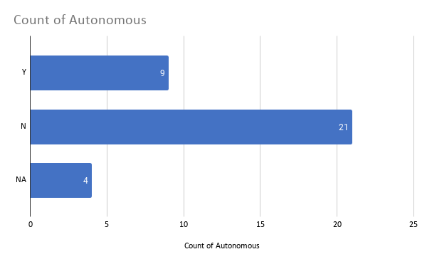
Koh Poh Koon | Hwa Chong Institution | Singapore | 269734 | Tertiary
Chee Hong Tat | Raffles Institution | Singapore | 575954 | Tertiary
Heng Chee How | Raffles Institution | Singapore | 575954 | Tertiary
Amy Khor | Raffles Institution | Singapore | 575954 | Tertiary
Janil Puthucheary | Studied abroad (UK) | United Kingdom |  | Tertiary
Sim Ann | Hwa Chong Institution | Singapore | 269734 | Tertiary
Zaqy Mohamad | Raffles Institution | Singapore | 575954 | Tertiary
Low Yen Ling | Temasek Junior College | Singapore | 469278 | Tertiary
Muhammad Faisal Ibrahim | Nanyang Junior College | Singapore | 556111 | Tertiary
Sun Xueling | Raffles Institution | Singapore | 575954 | Tertiary
Gan Siow Huang | Victoria Junior College | Singapore | 449035 | Tertiary
Alvin Tan | Anglo-Chinese Junior College | Singapore | 139745 | Tertiary
Desmond Tan | Raffles Institution | Singapore | 575954 | Tertiary
Tan Kiat How | Hwa Chong Institution | Singapore | 269734 | Tertiary

Secondary School_FINAL
Ministers' Secondary School Type
School Type | Ministers Attended | Ministers Did Not Attend | Ministers Unknown / NA
Independent | 16 | 14 | 4
Autonomous | 9 | 21 | 4
SAP | 8 | 22 | 4
Independent + SAP | 23 | 7 | 4

School Type | Number of Schools | Other Schools
Independent | 8 | 135
Autonomous | 28 | 115
SAP | 11 | 132
Independent + SAP | 17 | 126

Singapore School Types

